Sheet1
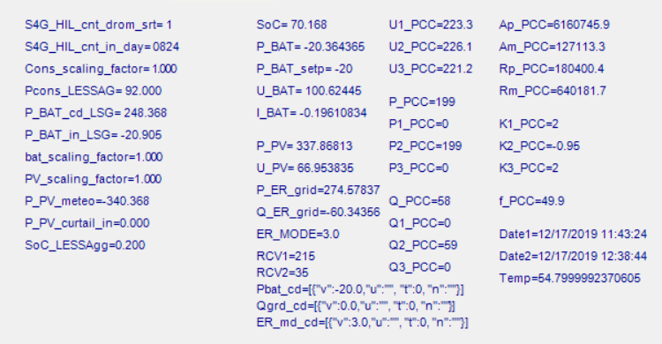
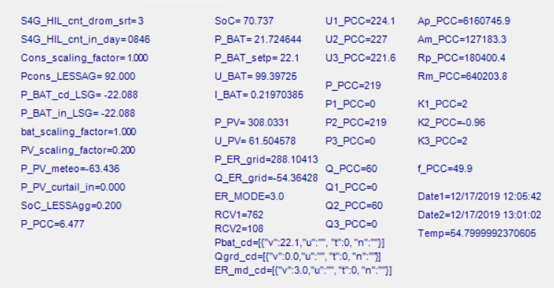
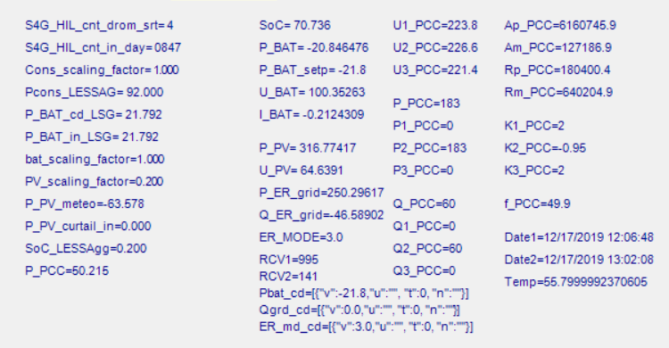
Pcons | 92
Ppv | -340
Pbat_in | -20.9
 | -248

P_bat_out | 248

